Mind Map
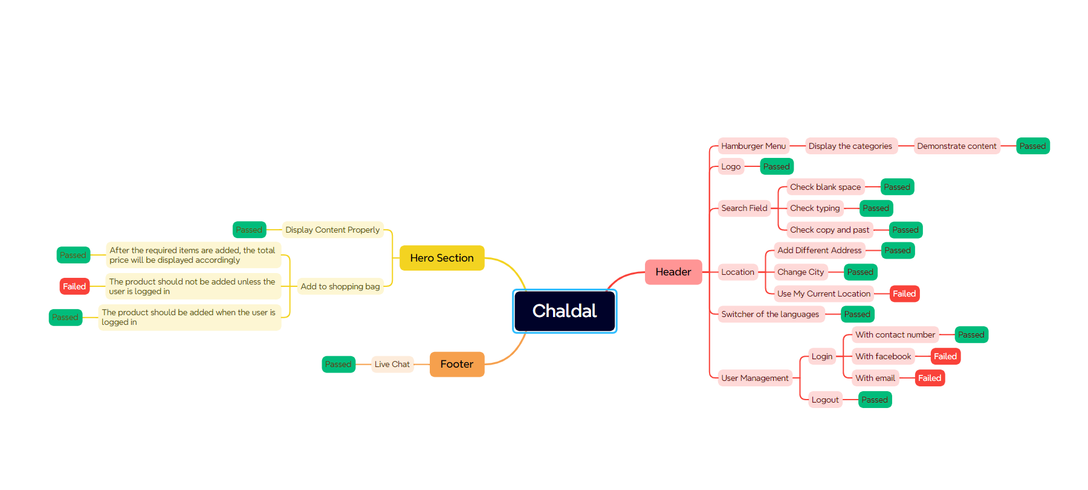

Test Summary Report
Test Case Report

Project Name | Chaldal
Module Name | User Management,Search Field
TEST EXECUTION REPORT |  |  |  |  |  | Result :

Test Case | PASS | FAIL | Not Executed | Out Of Scope | Total TC | Total No. | Status
 | 31 | 6 | 0 | 0 | 37 | 31 | PASS
LIMITATION |  |  |  |  |  | 6 | FAIL
Documents |  | Received |  | Useful |  | 0 | Not Executed | New Features:- | Testing Scope:- | Testing Environment :Google Chrome Browser,opera
PRD |  | No |  | No

Test Case Report

